S2_ContextualDescription
Section 2 - Contextual Description
Directions: | Please fill out individual responses at the level that is relevant to the fishery system. If the case is a multi-species fishery: In the species and landings questions, we are interested in general patterns of species in the multi-species complex, as well as important deviations from these general patterns that may be occurring for some species. Please email or Slack Kathy if you have questions, as we will be discussing the multi-species issues later in office hours.
 | For each question:
 | 1. Use the yellow cells to record your response & information quality.
 | 2. Indicate 'Don't know' or 'Not relevant' in the appropriate columns as needed. (Then select Option E or Option NA in the 'information quality' column.)
 | 3. Record any additional information in the gray cells.
Information quality scoring: | For each question, please use the 'information quality' column to indicate the quality of the answer provided by using the following metrics:
 | A - The answer provided is based on adequate and reliable data/information B - The answer provided is based on limited data/information and expert judgement C - The answer provided is based solely on expert judgement, and I am fairly confident that the answer provided reflects the true state of the system D - The answer provided is based solely on expert judgement, but I am not confident that if the answer provided reflects the true state of the system E - No data. I do not have sufficient information available to answer this question and no basis for providing an expert opinion. NA - Not relevant in this system
 |  |  |  | Answer (mark one or multiple)
Topic | Subsection (where relevant) | Question ID | Question | A | B | C | D | E | F | G | H | I | J | K | L | If other, write here: | If describe, write here: | Don't know: | Question is not relevant: | Information quality: | Notes:
Biogeographic context | 2.1.1. | 2.1.1.1. | What is the physical context within which the fishery takes place? Check all that apply: A. Intertidal (e.g. beach, mangrove) B. Estuary C. Coastal/nearshore (e.g. lagoon, fjord, coral reef, archipelago) D. Shelf E. Deep sea (e.g. canyon) F. Other (please specify): |  |  | c |  |  |  |  |  |  |  |  |  |  |  |  |  | A - adequate and reliable data/information |  | refernce https://www.sciencedirect.com/science/article/pii/S2468550X20300794#bib34
Biogeographic context | 2.1.2. | 2.1.2.1. | Which of the following contribute to primary productivity? A. Upwelling B. Fluvial inputs/plumes C. Sea ice D. Vegetated habitats (e.g. salt marsh, mangroves, seagrasses, kelp forests) E. Coral reefs F. Other (please specify): |  | b |  |  |  | f |  |  |  |  |  |  | What is/are the focal species of the fishery? Please describe: |  |  |  | B - limited data/information and expert judgement |  | refernce https://www.sciencedirect.com/science/article/pii/S0377839805000149
Biogeographic context | 2.1.3. Species | 2.1.3.1. | What is/are the focal species of the fishery? Please describe: |  |  |  |  |  |  |  |  |  |  |  |  |  | intercept migrating pelagic fishes and local populations of midwater and demersal fishes. |  |  | A - adequate and reliable data/information |  | https://books.google.co.jp/books?hl=ja&lr=lang_ja|lang_en&id=TZbRp0z5-p0C&oi=fnd&pg=PA446&dq=setnet+Japan&ots=QoVtMbjy7V&sig=wL_mkqflBhoYMqeiwkn0C9uheks#v=onepage&q=setnet%20Japan&f=false
Biogeographic context | 2.1.3. Species | 2.1.3.2. | What are the recent population trends (at a time scale relevant to focal species lifespan)? (For a multispecies fishery, please generally describe types of population trends for groups of species in the "describe" column.) A. Increasing B. Stable C. Declining D. Threatened or vulnerable E. Insufficient data | a |  | c |  |  |  |  |  |  |  |  |  |  |  |  |  | A - adequate and reliable data/information |  | from data the amont of fish caught at Todohokke setnet
Biogeographic context | 2.1.4. Habitat | 2.1.4.1. | What is the key habitat that supports species in this fishery? Please describe: |  |  |  |  |  |  |  |  |  |  |  |  |  | Japanese common squid:c yellowtail:a |  |  | A - adequate and reliable data/information |  | refernce: http://abchan.fra.go.jp/digests2020/details/202045.pdf http://abchan.fra.go.jp/digests2020/details/202018.pdf http://abchan.fra.go.jp/digests2020/details/202019.pdf
Biogeographic context | 2.1.4. Habitat | 2.1.4.2 | What is the general status of the key habitat used by species in this fishery? (select one) A. Favorable B. Inadequate to unfavorable C. Unfavorable D. Collapsed E. Data deficient |  |  |  |  | e |  |  |  |  |  |  |  |  |  |  |  | E - No data/information; no basis for expert judgement
Biogeographic context | 2.1.4. Habitat | 2.1.4.3. | Trend in key habitats: A. Improving B. Stable C. Deteriorating D. Data deficient |  |  |  | d |  |  |  |  |  |  |  |  |  |  |  |  | E - No data/information; no basis for expert judgement
Biogeographic context | 2.1.5. Stressors | 2.1.5.1. | Is overfishing currently occuring on the stock/stocks in this fishery? (For a multispecies fishery, please describe which stocks (or groups of stocks) are overfished in the "describe" column. A. Yes - substantially B. Yes - moderately C. Yes - minimally D. No E. Data deficient |  |  |  |  | e |  |  |  |  |  |  |  |  |  |  |  | E - No data/information; no basis for expert judgement
Social, political, and economic conditions and context | 2.2.1. Social | 2.2.1.1. | Are cultural, traditional, and historic practices observable? A. Yes, please describe: B. No |  | b |  |  |  |  |  |  |  |  |  |  |  |  |  |  | C - solely expert judgement; fairly confident | Squid https://hokkaido-labo.com/area/hakodate/ikaodori https://www.ehako.com/news/news2020a/13430_index_msg.shtml https://gourmet.hakobura.jp/seasonal/ika/ https://www.city.hakodate.hokkaido.jp/docs/2014031900473/files/P-11-P-15surumeika.pdf Yellowtail https://www.hro.or.jp/list/fisheries/marine/att/dayori83-01.pdf
Social, political, and economic conditions and context | 2.2.1. Social | 2.2.1.2. | How dependent are harvesters on the fishery for food or nutrition compared to their dependence on other food options? Please indicate the general range if there is a high degree of variability among participants. A. High B. Moderate C. Low D. NA |  |  |  | d |  |  |  |  |  |  |  |  |  |  |  |  | E - No data/information; no basis for expert judgement
Social, political, and economic conditions and context | 2.2.1. Social | 2.2.1.3. | How dependent are the communities on the fishery for food or nutrition compared to their dependence on other food options? Please indicate the general range if there is a high degree of variability among participants. A. High B. Moderate C. Low D. NA |  |  |  | d |  |  |  |  |  |  |  |  |  |  |  |  | NA - Not relevant
Social, political, and economic conditions and context | 2.2.1. Social | 2.2.1.4. | Are any groups particularly dependent on this fishery for food or nutrition? A. Indigenous B. Women C. Rural D. Other (please specify): |  |  |  | d |  |  |  |  |  |  |  |  |  |  |  |  | NA - Not relevant
Social, political, and economic conditions and context | 2.2.2. Political--governance quality | 2.2.2.1. | What is the average of the following indicator in the World Bank's Governance Indicators, each scored [-2.5,2.5] ? Government Effectiveness |  |  |  |  |  |  |  |  |  |  |  |  |  | 1.63 |  |  | A - adequate and reliable data/information | csv
Social, political, and economic conditions and context | 2.2.2. Political--governance quality | 2.2.2.2. | What is the average of the following indicator in the World Bank's Governance Indicators, each scored [-2.5,2.5] ? Regulatory Quality |  |  |  |  |  |  |  |  |  |  |  |  |  | 1.22 |  |  | A - adequate and reliable data/information
Social, political, and economic conditions and context | 2.2.2. Political--governance quality | 2.2.2.3. | What is the average of the following indicator in the World Bank's Governance Indicators, each scored [-2.5,2.5] ? Rule of Law |  |  |  |  |  |  |  |  |  |  |  |  |  | 1.46 |  |  | A - adequate and reliable data/information
Social, political, and economic conditions and context | 2.2.2. Political--governance quality | 2.2.2.4. | What is the average of the following indicator in the World Bank's Governance Indicators, each scored [-2.5,2.5] ? Control of Corruption |  |  |  |  |  |  |  |  |  |  |  |  |  | 1.56 |  |  | A - adequate and reliable data/information
Social, political, and economic conditions and context | 2.2.2. Political--governance responsiveness | 2.2.2.5. | What is the average of the following indicator in the World Bank's Governance Indicators, each scored [-2.5,2.5] ? Voice and Accountability |  |  |  |  |  |  |  |  |  |  |  |  |  | 1.01 |  |  | A - adequate and reliable data/information
Social, political, and economic conditions and context | 2.2.2. Political--governance responsiveness | 2.2.2.6. | What is the average of the following indicator in the World Bank's Governance Indicators, each scored [-2.5,2.5] ? Political Stability |  |  |  |  |  |  |  |  |  |  |  |  |  | 1.03 |  |  | A - adequate and reliable data/information
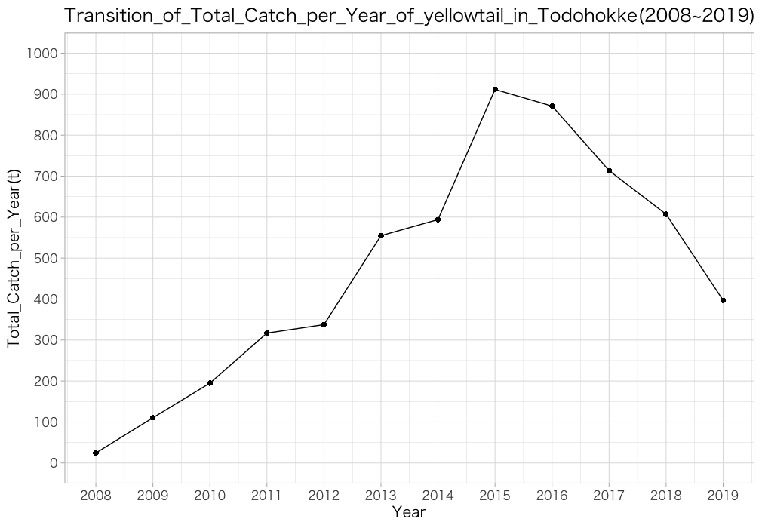
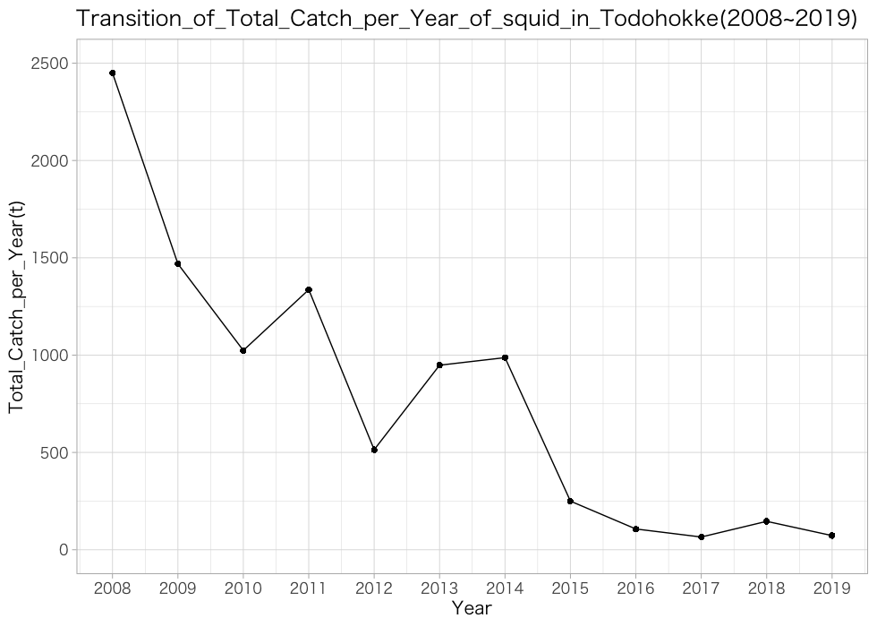
Social, political, and economic conditions and context | 2.2.3 Economic | 2.2.3.1. | Which income category does(do) the harvesting country(ies) belong to (see definition by World Bank here)? A. High B. Upper-middle C. Lower-middle D. Low | a |  |  |  |  |  |  |  |  |  |  |  |  |  |  |  | C - solely expert judgement; fairly confident | from this informations Fishing Income of Coastal Fishermen in Japan
Social, political, and economic conditions and context | 2.2.3 Economic | 2.2.3.2. | What kind of sectors operate in the fishery? A. Small operators B. Large operators C. Recreational D. Artisanal E. Indigenous F. Other (please specify):
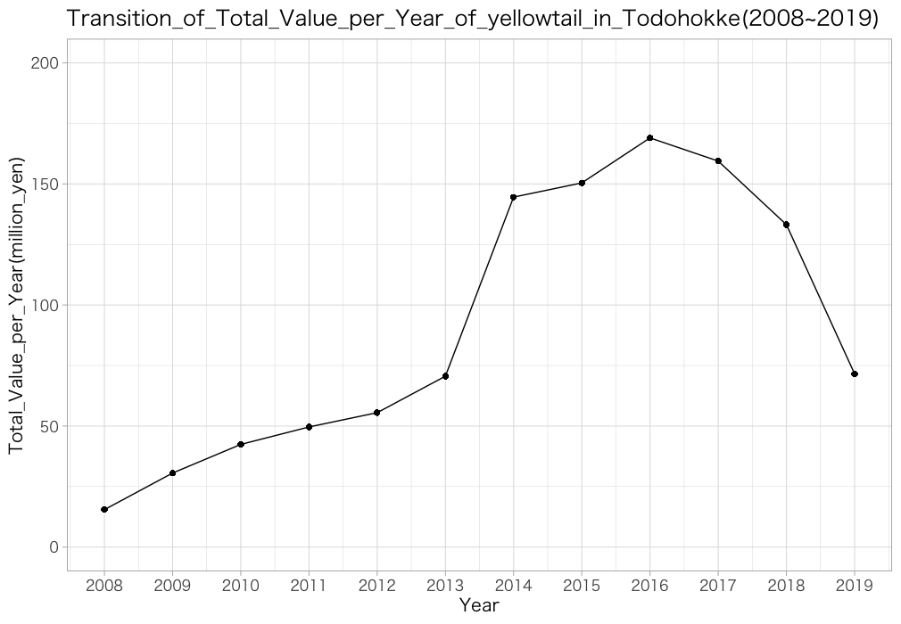
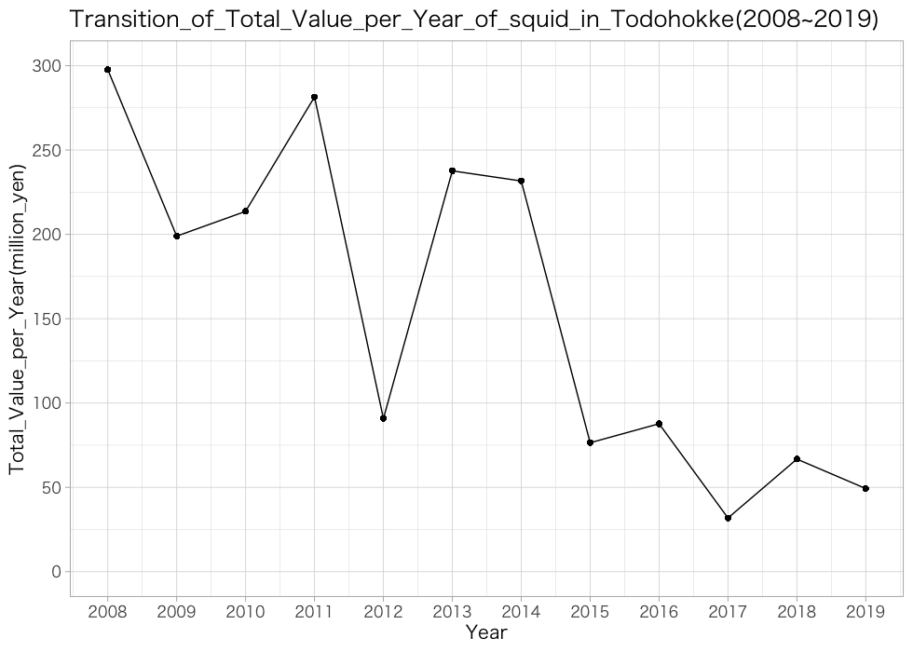
Social, political, and economic conditions and context | 2.2.3 Economic | 2.2.3.3. | What is the current landed volume? Please describe and indicate year represented: |  |  |  |  |  |  |  |  |  |  |  |  |  | graph |  |  | A - adequate and reliable data/information
Social, political, and economic conditions and context | 2.2.3 Economic | 2.2.3.4. | What is the current landed value? Please describe and indicate year represented: |  |  |  |  |  |  |  |  |  |  |  |  |  | graph |  |  | A - adequate and reliable data/information
Social, political, and economic conditions and context | 2.2.3 Economic | 2.2.3.5. | What are the trends in landings over the past 10 years? (For a multispecies fishery, this response should represent the fishery as a whole, not individual stocks.) A. Increasing B. Declining C. Stable D. Variable with no clear trend E. Data deficient | a | b |  |  |  |  |  |  |  |  |  |  |  |  |  |  | A - adequate and reliable data/information | Yellowtail:a squid:b
Social, political, and economic conditions and context | 2.2.3 Economic | 2.2.3.6. | Approximately how many vessels participate? Please describe and estimate of number or order of magnitude: tens, hundreds, thousands:
Social, political, and economic conditions and context | 2.2.3 Economic | 2.2.3.7. | How dependent are harvesters on the fishery for jobs and income compared to their other livelihood options? Please indicate the general range if there is a high degree of variability among participants. A. High B. Moderate C. Low D. NA
Social, political, and economic conditions and context | 2.2.3 Economic | 2.2.3.8. | How dependent are shoreside businesses on the fishery for jobs and income compared to their other livelihood options? Please indicate the general range if there is a high degree of variability among participants. A. High B. Moderate C. Low D. NA |  |  |  | d |  |  |  |  |  |  |  |  |  |  |  |  | E - No data/information; no basis for expert judgement
Social, political, and economic conditions and context | 2.2.3 Economic | 2.2.3.9. | How dependent are dealer/processors on the fishery for jobs and income compared to their other livelihood options? Please indicate the general range if there is a high degree of variability among participants. A. High B. Moderate C. Low D. NA |  |  |  | d |  |  |  |  |  |  |  |  |  |  |  |  | E - No data/information; no basis for expert judgement
Social, political, and economic conditions and context | 2.2.3 Economic | 2.2.3.10. | How dependent is the community on the fishery for economic benefits compared to its other sources of revenue? A. High B. Moderate C. Low D. NA |  |  |  | d |  |  |  |  |  |  |  |  |  |  |  |  | E - No data/information; no basis for expert judgement
Social, political, and economic conditions and context | 2.2.3 Economic | 2.2.3.11. | What is the primary purpose for utilization of the species harvested? A. Fresh consumption B. Processed (value-added) products (including both domestic and export-oriented) C. Export product D. Other (please specify): | a | b |  |  |  |  |  |  |  |  |  |  |  |  |  |  | B - limited data/information and expert judgement
Governance context | 2.3.1. | 2.3.1.1. | Within which jurisdiction(s) is the fishery contained? A. One domestic regional jurisdiction B. Multiple domestic regional jurisdictions C. One coastal state D. Multiple coastal states E. Areas Beyond National Jurisdiction (ABNJ) F. Other (please specify): | a |  |  |  |  |  |  |  |  |  |  |  |  |  |  |  | B - limited data/information and expert judgement
Governance context | 2.3.2. | 2.3.2.1. | What laws, policies and practices exist concerning the fishery and are they upheld? (If you know them, or can easily look up, please list name of the statute and year in 'notes' column) A. International Treaty B. National C. Regional (State, Province, Prefecture, etc.) D. Municipal/Local E. Community (Including formal and informal rules and practices. implemented by local cooperatives, sectors, and other organizations) F. Other (please specify): |  | b | c |  |  |  |  |  |  |  |  |  |  |  |  |  | A - adequate and reliable data/information
Governance context | 2.3.3. | 2.3.3.1. | What is the nature of governance arrangements? A. Top-down B. Community-based (e.g. LMMA, TURF) C. Co-management D. Traditional/customary (e.g. ICCA) E. Other (please specify): | a |  |  |  |  |  |  |  |  |  |  |  |  |  |  |  | A - adequate and reliable data/information
Governance context | 2.3.4. | 2.3.4.1. | Who is involved in governance? A. Multinational fishery management body B. National government agencies C. Regional (State, Province, Prefecture, etc.) government agencies D. Municipal/local government agencies E. Individual harvesters or harvester associations F. Dealers, processors or their associations G. Shoreside businesses H. Environmental NGOs I. Community organizations J. Other (please specify): |  | b | c | d |  |  |  |  |  |  |  |  |  |  |  |  | A - adequate and reliable data/information
Governance context | 2.3.5. | 2.3.5.1. | Do Financial Resources confer or limit the capacity to effectively participate in the governance system? Please describe; note whether your selection pertain to particular groups selected above A. Confers B. Limits C. Neither confers or limits |  |  | c |  |  |  |  |  |  |  |  |  |  |  |  |  | C - solely expert judgement; fairly confident
Governance context | 2.3.5. | 2.3.5.2. | Do Human Resources confer or limit the capacity to effectively participate in the governance system? Please describe; note whether your selection pertain to particular groups selected above A. Confers B. Limits C. Neither confers or limits |  |  | c |  |  |  |  |  |  |  |  |  |  |  |  |  | C - solely expert judgement; fairly confident
Governance context | 2.3.5. | 2.3.5.3. | Do Social Factors (trust, social networks) confer or limit the capacity to effectively participate in the governance system? Please describe; note whether your selection pertain to particular groups selected above A. Confers B. Limits C. Neither confers or limits |  |  | c |  |  |  |  |  |  |  |  |  |  |  |  |  | C - solely expert judgement; fairly confident
Governance context | 2.3.5. | 2.3.5.4. | Does Scientific Competency confer or limit the capacity to effectively participate in the governance system? Please describe; note whether your selection pertain to particular groups selected above A. Confers B. Limits C. Neither confers or limits |  |  | c |  |  |  |  |  |  |  |  |  |  |  |  |  | C - solely expert judgement; fairly confident
Governance context | 2.3.5. | 2.3.5.5. | Do Other factors (please specify) confer or limit the capacity to effectively participate in the governance system? Please describe; note whether your selection pertain to particular groups selected above A. Confers B. Limits C. Neither confers or limits |  |  | c |  |  |  |  |  |  |  |  |  |  |  |  |  | C - solely expert judgement; fairly confident
Governance context | 2.3.6. | 2.3.6.1. | Is power in the governance system related to religion, gender, ethnic origin, political party, language, race or sexual orientation? A. Yes, please describe: B. No |  | b |  |  |  |  |  |  |  |  |  |  |  |  |  |  | B - limited data/information and expert judgement
Governance context | 2.3.7. | 2.3.7.1. | Do power relations cause tension within the fishery? A. Yes, please describe: B. No |  | b |  |  |  |  |  |  |  |  |  |  |  |  |  |  | B - limited data/information and expert judgement
Management context | 2.4.1. | 2.4.1.1. | Does a management plan exist for this fishery? A. Yes, please describe: B. No | a |  |  |  |  |  |  |  |  |  |  |  |  |  |  |  | A - adequate and reliable data/information |  | refernce: http://abchan.fra.go.jp/digests2020/details/202045.pdf http://abchan.fra.go.jp/digests2020/details/202018.pdf http://abchan.fra.go.jp/digests2020/details/202019.pdf
Management context | 2.4.2. | 2.4.2.1 | Who is involved in the management process? A. Multinational fishery management body B. National government agencies C. Regional government agencies (State, Province, Prefecture, etc.) D. Municipal/local government agencies E. Idividual harvesters or harvester associations F. Dealers, processors or their associations G. Shoreside businesses H. Environmental NGOs I. Community organizations J. Other (please specify): |  | b | c |  |  |  |  |  |  |  |  |  |  |  |  |  | B - limited data/information and expert judgement
Management context | 2.4.3. | 2.4.3.1. | Who plays the following roles in the fishery management process? (Each may include multiple actors.) Please add other roles important to fisheries management in your case. A. Determining access and harvest rights B. Determining harvest procedures and rules C. Enforcing rules D. Monitoring fishery activities (e.g., catch) E. Providing scientific information F. Other (please specify): | a | b | c | d | e |  |  |  |  |  |  |  |  |  |  |  | A - adequate and reliable data/information | A: Governor B: Fishermen operate within the scope of their fishing rights C: Fishermen operate within the scope of their fishing rights D:Hokkaodo D:Hokkaido Research Institute
Management context | 2.4.4. | 2.4.4.1. | What are the tools used to control catch? (please check all that apply) A. None specific to this fishery B. Total allowable catch limit C. Individual catch limit D. Total allowable effort limit E. Individual effort limit F. Size limits G. Spatial restrictions on fishing H. Temporal restrictions on fishing I. Gear restrictions J. Species restrictions K. Other (please specify): |  | b |  |  |  |  | g | h | i |  |  |  |  |  |  |  | A - adequate and reliable data/information | Yellowtail G・H・I Squid B・G・H・I | ○北海道の３地区における総漁獲量上限の設定（するめいか）
Management context | 2.4.5. | 2.4.5.1. | What measures are taken to conserve habitats? A. None specific to this fishery B. Gear restrictions C. Season closure D. Year-round no-take zones E. Seasonal no-take zones F. Other (please specify):
Management context | 2.4.6. | 2.4.6.1. | Are management enforced, and if so, how? A. Not routinely enforced B. Fines and penalty fees C. Revocation of access and harvest rights D. Social ostracism E. Other (please specify): |  | b |  |  |  |  |  |  |  |  |  |  |  |  |  |  | B - limited data/information and expert judgement
Management context | 2.4.7. | 2.4.7.1. | What fishery dependent data are collected to support management? A. Landed volume B. Discard volume C. Landed value D. Size E. Other (please specify): | a |  | c |  |  |  |  |  |  |  |  |  |  |  |  |  | A - adequate and reliable data/information
Management context | 2.4.7. | 2.4.7.2. | Who collects and reports the fishery dependent data? A. National government agencies B. Regional (State, Province, Prefecture, etc.) government agencies C. Municipal/local government agencies D. Individual harvesters or harvester associations E. Dealers, processors or their associations F. Environmental NGOs G. Community organizations H. Other (please specify): | a | b |  |  |  |  |  |  |  |  |  |  | Todohokke_bigquery | marine net data base |  |  | A - adequate and reliable data/information | Todohokke_bigquery | marine net data base
Management context | 2.4.7. | 2.4.7.3. | Are fishery-independent data (e.g., trawl survey) collected to support management? A. Yes B. No | a | b |  |  |  |  |  |  |  |  |  |  |  |  |  |  | A - adequate and reliable data/information | Yellowtail:No Squid:Yes 2016 2017 2018 2019 2020
Management context | 2.4.7. | 2.4.7.4. | Who collects fishery-independent data? A. National government agencies B. Regional (State, Province, Prefecture, etc.) government agencies C. Municipal/local government agencies D. Idividual harvesters or harvester associations E. Dealers, processors or their associations F. Environmental NGOs G. Community organizations H. Universities and/or other scientific organizations I. Other (please specify): | a | b |  |  |  |  |  |  |  |  |  |  |  |  |  |  | A - adequate and reliable data/information
Management context | 2.4.7. | 2.4.7.5. | How often are fishery-independent data collected? A. Seasonal (2 ~ 4 times a year) B. Annual C. Every 2 ~ 5 years D. Undermined frequency E. Other (please specify): |  |  | c |  |  |  |  |  |  |  |  |  |  |  |  |  | C - solely expert judgement; fairly confident
Management context | 2.4.7. | 2.4.7.6. | Are environmental data collected to support management? A. No B. Yes, in situ samples C. Yes, from buoys D. Yes, from remote sensing E. Yes, other (please specify): |  |  | c |  |  |  |  |  |  |  |  |  |  |  |  |  | A - adequate and reliable data/information | marine net data base
Management context | 2.4.7. | 2.4.7.7. | Who collects and manages environmental data? A. National government agencies B. Municipal/local government agencies C. Individual harvesters or harvester associations D. Dealers, processors or their associations E. Environmental NGOs F. Community Regional (State, Province, Prefectures, etc.) G. Universities and/or other scientific organizations H. Other (please specify): | a | b |  |  |  |  |  |  |  |  |  |  |  |  |  |  | A - adequate and reliable data/information
Management context | 2.4.8. | 2.4.8.1. | What are the general types of information sources used to manage the fishery? A. Local knowledge B. Scientific observation C. Stock assessment process D. Other (please specify): |  | b | c |  |  |  |  |  |  |  |  |  |  |  |  |  | A - adequate and reliable data/information
Management context | 2.4.9. | 2.4.9.1. | How is stock size tracked? Please describe. |  |  |  |  |  |  |  |  |  |  |  |  |  | Stock assessment of major fish species in the waters around Hokkaido is being conducted by Hokkaido and Japan. It is conducted the suit way each fish species |  |  | A - adequate and reliable data/information
Management context | 2.4.9. | 2.4.9.2. | If stock assessments are in place, what types are used and who conducts them? Please describe. |  |  |  |  |  |  |  |  |  |  |  |  |  | Japan VPA is done Hokkaido The stock assessment of squid has been conducted, but not that of yellowtail. In recent years, yellowtail has become a major fish species due to the rapid increase in catches, and management of yellowtail has not been able to keep up. |  |  | B - limited data/information and expert judgement | squid
Management context | 2.4.9. | 2.4.9.3. | If stock assessments are not in place, are data synthesized in any manner to track stock size trends or status? If so, who conducts the synthesis? Please describe.
Shocks and system response | 2.5.1. | 2.5.1.1. | Has the system experienced any major shocks in the last 20 years (detrimental or beneficial)? A. No shocks B. Environmental shocks (e.g. coral bleaching event, marine heatwave, king tide flooding or sea level rise, predator or invasive species outbreaks, disease events, typhoon/hurricane/cyclones, earthquake/tsunami, volcano, pollution, oil spills, nuclear disaster) C. Governance/management shocks (e.g. change in political/ruling party, change in fishery management structure, change in management approach) D. Socioeconomic shocks (e.g. military conflicts, public health crises, recessions, major supply chain disruptions) E. Other (please specify): |  | b |  |  |  |  |  |  |  |  |  |  |  |  |  |  | A - adequate and reliable data/information
Shocks and system response | 2.5.2. | 2.5.2.1. | Please identify the most important shocks (of any type) experienced in the system that have shaped its current structure, status, and capacities. Describe briefly. |  |  |  |  |  |  |  |  |  |  |  |  |  | Changes in sea temperature (rise) led to an increase in the catch of yellowtail and a decrease in the catch of Japanese common squid. |  |  | B - limited data/information and expert judgement
Shocks and system response | 2.5.3. | 2.5.3.1. | What were the major impacts on natural (e.g., biological, oceanographic, coastal landscapes, habitat), human (e.g., economic, social, governmental), and coupled systems caused by the shock or shocks mentioned above? If multiple shocks occurred, please describe and be specific about which shocks caused which effects to the fishery or stock(s). |  |  |  |  |  |  |  |  |  |  |  |  |  | Yellowtail Habitat human Because the catch of yellowtail has been extremely small in the seas around Hokkaido, the production and distribution system for yellowtail had not been established in each sea area. As an example, at the Hidaka fishing port, the number of yellowtails taken in the fixed-netting of autumn salmon has increased rapidly since 2011, and since this is a species that has never been handled before, demand and processing have not been able to keep up, and fish prices have remained low. In addition, the situation was so serious that landings of fall Chinook salmon decreased when yellowtail were caught in the nets, affecting the management of the fishery. Squid human In the last 10 years, the catch of squid at the Sakhalin Sakhalin's Nakamura fishing ground has been on the decline, dropping from just under 2,500 tons in 2008 to 250 tons in 2015 and remaining flat ever since. As a result of this decline in the catch of squid, squid processors in Hakodate have been forced to reduce the scale of their production, switch to imported raw materials, and especially those specializing in squid processing have been forced to close or close their businesses. After importing secondary processed products, major companies have responded by only carrying out final processing operations such as packaging, or by developing products other than squid. Small and medium-sized enterprises are forced to close or close their businesses, and there are also new companies processing vegetables and other fish products. Some small-scale processors continue to use local raw materials and sell their products as high quality, particular, and traditional. |  |  | A - adequate and reliable data/information |  | yellow tail | squid
Shocks and system response | 2.5.4. | 2.5.4.1. | What actions were taken to alleviate such impacts, and who took (or contributed to) these actions? If multiple shocks occurred, please describe and be specific about which actions are associated with which shock. |  |  |  |  |  |  |  |  |  |  |  |  |  | In the Hidaka Fishery Cooperative Association, with the increase in yellowtail catches, four fixed gear operators began to expand sales of yellowtail. |  |  | B - limited data/information and expert judgement
Shocks and system response | 2.5.5. | 2.5.5.1. | Subsequently what happened to the natural, human, or coupled system? A. Full recovery to the pre-shock state B. Recovering towards the pre-shock state C. Transformed to a different state but still providing valuable services D. Transformed to different state but losing a majority of services E. System still responding, outcome not yet known
Shocks and system response | 2.5.6. | 2.5.6.1. | What kind of changes do we observe in the natural, human, or coupled systems if we compare pre-shock state to post-shock state? Describe briefly. |  |  |  |  |  |  |  |  |  |  |  |  |  |  |  |  | B - limited data/information and expert judgement
Shocks and system response | 2.5.7. | 2.5.7.1. | Did experiences during this shock lead to changes that will enhance resilience to future shocks? Please describe. |  |  |  |  |  |  |  |  |  |  |  |  |  | No |  |  | E - No data/information; no basis for expert judgement
Climate projections | 2.6.1. | 2.6.1.1. | What types of climate change projections are available for the system? A. Global climate models only B. Downscaled regional projects C. Other (please specify): |  |  | c |  |  |  |  |  |  |  |  |  | Sea temperature change forecast data |  |  |  | B - limited data/information and expert judgement
Climate projections | 2.6.2. | 2.6.2.1. | What time frame is most relevant to this case study, for which projections are available within your consideration? A. Projections to 2050 B. Projections to 2100 C. Interdecadal variability D. Interannual variability E. Other (please specify):
Climate projections | 2.6.3. | 2.6.3.1. | What are the key limitations of available climate projections in the context of this case study? Please describe. |  |  |  |  |  |  |  |  |  |  |  |  |  | Changes in the distribution of fish due to changes in water temperature |  |  | B - limited data/information and expert judgement
Climate projections | 2.6.4. | 2.6.4.1. | Which of the following climate disturbances are projected to alter the future of the fishery and surrounding ecosystem? A. Ocean warming B. Ocean acidification C. Frequency and/or severity of coral bleaching D. Frequency and/or severity of marine heatwaves E. Frequency and/or severity of extreme El Nino-Southern Oscillation events F. Frequency and/or severity of large storm events G. Ocean cooling H. Loss of sea ice I. Sea level rise J. Increase or decrease in upwelling K. Changes in ocean current patterns L. Other (please specify): | a |  |  |  |  |  |  |  |  |  | k |  |  |  |  |  | B - limited data/information and expert judgement
Climate projections | 2.6.5. | 2.6.5.1. | How is climate change expected to affect physical conditions (e.g. water chemistry, habitat availability or quality, primary productivity) in the system? Describe briefly. |  |  |  |  |  |  |  |  |  |  |  |  |  | Don`t know
Climate projections | 2.6.6. | 2.6.6.1. | How is climate change expected to affect the species that are the focus of this fishery case (e.g. abundance, distribution, phenology)? Describe briefly. |  |  |  |  |  |  |  |  |  |  |  |  |  | distribution spowning ground |  |  | B - limited data/information and expert judgement
Climate projections | 2.6.7. | 2.6.7.1. | How is climate change expected to affect fishing opportunities and the fishery (e.g. yield, variability, effort)? Describe briefly. |  |  |  |  |  |  |  |  |  |  |  |  |  | Changes in fishing targets |  |  | B - limited data/information and expert judgement
Climate projections | 2.6.8. | 2.6.8.1. | How is climate change expected to affect social and economic conditions of individuals and communities (e.g. overall profit, profit distribution, trade mechanisms, societal effects (e.g. markets, migration, labor, consumption), harvest safety, infrastructure, or other livelihood opportunities)? Describe briefly. |  |  |  |  |  |  |  |  |  |  |  |  |  | Processing industry |  |  | B - limited data/information and expert judgement
Climate projections | 2.6.9. | 2.6.9.1. | Will climate change and fishing interact in ways that could create negative or positive feedback loops for the natural, human, or coupled system? If so, how would these dimensions interact and in what direction? Describe briefly. |  |  |  |  |  |  |  |  |  |  |  |  |  | Don't know
Climate projections | 2.6.10. | 2.6.10.1. | Are there any perverse incentives created by climate change? Describe briefly. |  |  |  |  |  |  |  |  |  |  |  |  |  | Don't know

